Лист1
Cote d'Ivoire | quantiles (from the lowest to the highest 20%)
 | 4.79 | 9.58 | 14.34 | 22.09 | 49.18

 |  |  | x - population rates | f(x) - income rates
 |  |  | 0 | 0
10-20% | 4.79 | 0.0479 | 0.2 | 0.0479
20-40% | 9.58 | 0.0958 | 0.4 | 0.1437
40-60% | 14.34 | 0.1434 | 0.6 | 0.2871
60-80% | 22.09 | 0.2209 | 0.8 | 0.508
80-100% | 49.18 | 0.4918 | 1 | 0.9998

Lorenz Curve
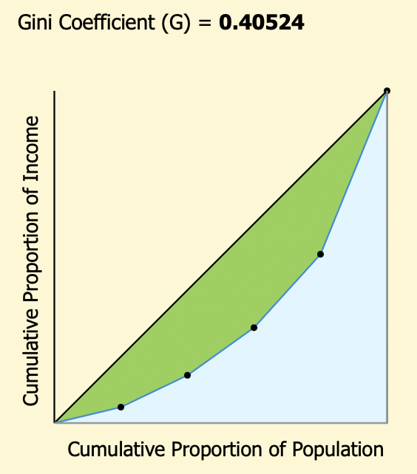
 |  |  | https://goodcalculators.com/gini-coefficient-calculator/
 |  |  |  |  | https://www.integral-calculator.com/
 |  |  |  |  | y = 1,2142x^2 - 0,2824x + 0,0271
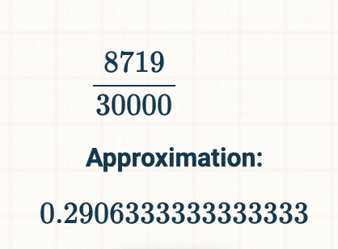

Comparison: | The difference is very noticable not only in values, but also when we look at the trend curve, which does not match all the points.

 |  |  |  |  |  |  | Gini
 | Cote d'Ivoire | 4.79 | 9.6 | 14.3 | 22.1 | 49.2 | 0.4052
 | Ghana | 4.86 | 9.58 | 14.37 | 20.87 | 50.3 | 0.4087
 | Liberia | 6.5 | 11.77 | 16.18 | 22.06 | 43.49 | 0.337

